FlowChart
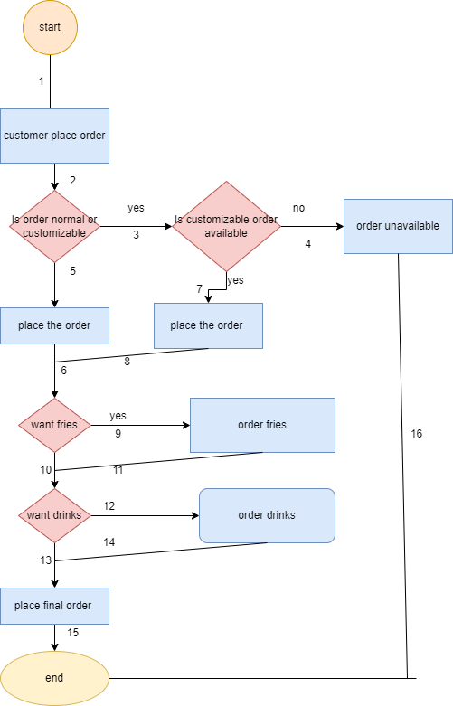
QUESTION#01: | FLOWCHART OF ONLINE ORDER SYSTEM

